Siteplan
Irish Traffic Surveys LTD
Survey Name : |  | ITS - 1078 N11 Kilpedder
Survey Type: |  | Automatic Traffic Count (ATC) Survey
Date: |  | 10.03.26 - 17.03.26
Time: |  | 00:00 - 23:59
Location: |  | 53.119440, -6.109293
Classification: |  | Car, LGV, OGV1, OGV2, PSV
Grid Reference: |  | O 26616 09298
X: |  | 326616
Y: |  | 209298
Latitude: |  | 53.11944
Longitude: |  | -6.109293
Address (near):
Site Overview
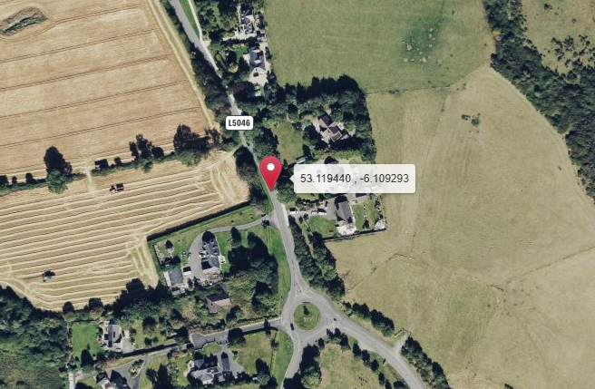

Direction A

Direction B

N

Description | Grid Reference | X | Y | Latitude | Longitude | Postcode | Address (near) | Point Link | Link For All Points
53.992382 , -6.512409 | H 97604 05799 | 297604 | 305799 | 53.992382 | -6.512409 |  | L31361, Castlering ED, The Municipal District of Dundalk, County Louth, Leinster, Ireland | Link | Link for All 1 Points

Summary
Irish Traffic Surveys LTD
Survey Name : |  | ITS - 1078 N11 Kilpedder
Survey Type: |  | Automatic Traffic Count (ATC) Survey
Date: |  | 10.03.26 - 17.03.26
Time: |  | 00:00 - 23:59
Location: |  | 53.119440, -6.109293
Classification: |  | Car, LGV, OGV1, OGV2, PSV
Site 4 |  |  |  |  |  |  | Weather
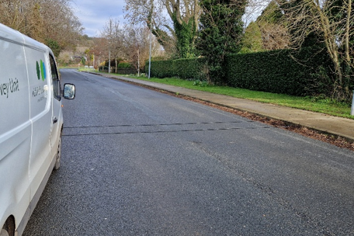
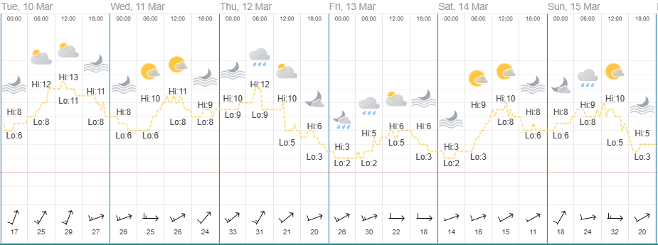
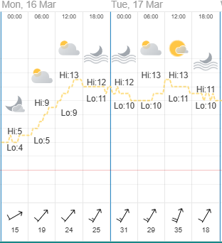

Direction A

Direction B

Virtual Week
Virtual Week - Both Directions |  |  |  |  |  |  |  |  |  |  | Virtual Week - Direction A |  |  |  |  |  |  |  |  |  |  | Virtual Week - Direction B

 | Monday | Tuesday | Wednesday | Thursday | Friday | Saturday | Sunday | AWDT | AWET | ADT |  | Monday | Tuesday | Wednesday | Thursday | Friday | Saturday | Sunday | AWDT | AWET | ADT |  | Monday | Tuesday | Wednesday | Thursday | Friday | Saturday | Sunday | AWDT | AWET | ADT
0:00:00 | 1 | 3 | 6 | 5 | 13 | 14 | 8 | 6 | 11 | 7 | 0:00:00 | 1 | 2 | 1 | 2 | 1 | 7 | 3 | 1 | 5 | 2 | 0:00:00 | 0 | 1 | 5 | 3 | 12 | 7 | 5 | 4 | 6 | 5
1:00:00 | 2 | 1 | 2 | 3 | 3 | 4 | 6 | 2 | 5 | 3 | 1:00:00 | 1 | 0 | 1 | 1 | 2 | 1 | 2 | 1 | 2 | 1 | 1:00:00 | 1 | 1 | 1 | 2 | 1 | 3 | 4 | 1 | 4 | 2
2:00:00 | 0 | 2 | 0 | 0 | 5 | 2 | 3 | 1 | 3 | 2 | 2:00:00 | 0 | 2 | 0 | 0 | 2 | 1 | 1 | 1 | 1 | 1 | 2:00:00 | 0 | 0 | 0 | 0 | 3 | 1 | 2 | 1 | 2 | 1
3:00:00 | 1 | 0 | 2 | 3 | 1 | 4 | 3 | 1 | 4 | 2 | 3:00:00 | 1 | 0 | 2 | 2 | 1 | 2 | 2 | 1 | 2 | 1 | 3:00:00 | 0 | 0 | 0 | 1 | 0 | 2 | 1 | 0 | 2 | 1
4:00:00 | 6 | 1 | 1 | 6 | 4 | 2 | 1 | 4 | 2 | 3 | 4:00:00 | 4 | 0 | 0 | 3 | 3 | 2 | 1 | 2 | 2 | 2 | 4:00:00 | 2 | 1 | 1 | 3 | 1 | 0 | 0 | 2 | 0 | 1
5:00:00 | 7 | 7 | 9 | 7 | 7 | 3 | 4 | 7 | 4 | 6 | 5:00:00 | 4 | 5 | 5 | 7 | 4 | 2 | 2 | 5 | 2 | 4 | 5:00:00 | 3 | 2 | 4 | 0 | 3 | 1 | 2 | 2 | 2 | 2
6:00:00 | 34 | 404 | 359 | 203 | 34 | 12 | 2 | 207 | 7 | 150 | 6:00:00 | 19 | 389 | 351 | 191 | 17 | 9 | 2 | 193 | 6 | 140 | 6:00:00 | 15 | 15 | 8 | 12 | 17 | 3 | 0 | 13 | 2 | 10
7:00:00 | 67 | 339 | 195 | 131 | 107 | 29 | 12 | 168 | 21 | 126 | 7:00:00 | 42 | 298 | 145 | 82 | 61 | 18 | 7 | 126 | 13 | 93 | 7:00:00 | 25 | 41 | 50 | 49 | 46 | 11 | 5 | 42 | 8 | 32
8:00:00 | 115 | 202 | 184 | 174 | 168 | 82 | 47 | 169 | 65 | 139 | 8:00:00 | 73 | 130 | 101 | 97 | 88 | 50 | 26 | 98 | 38 | 81 | 8:00:00 | 42 | 72 | 83 | 77 | 80 | 32 | 21 | 71 | 27 | 58
9:00:00 | 113 | 503 | 126 | 147 | 137 | 107 | 70 | 205 | 89 | 172 | 9:00:00 | 62 | 438 | 53 | 76 | 69 | 65 | 39 | 140 | 52 | 115 | 9:00:00 | 51 | 65 | 73 | 71 | 68 | 42 | 31 | 66 | 37 | 57
10:00:00 | 127 | 109 | 103 | 99 | 115 | 107 | 104 | 111 | 106 | 109 | 10:00:00 | 67 | 67 | 59 | 60 | 63 | 63 | 62 | 63 | 63 | 63 | 10:00:00 | 60 | 42 | 44 | 39 | 52 | 44 | 42 | 47 | 43 | 46
11:00:00 | 118 | 100 | 111 | 110 | 126 | 161 | 122 | 113 | 142 | 121 | 11:00:00 | 59 | 59 | 63 | 55 | 65 | 70 | 65 | 60 | 68 | 62 | 11:00:00 | 59 | 41 | 48 | 55 | 61 | 91 | 57 | 53 | 74 | 59
12:00:00 | 142 | 123 | 159 | 131 | 144 | 203 | 139 | 140 | 171 | 149 | 12:00:00 | 81 | 75 | 86 | 80 | 83 | 124 | 85 | 81 | 105 | 88 | 12:00:00 | 61 | 48 | 73 | 51 | 61 | 79 | 54 | 59 | 67 | 61
13:00:00 | 132 | 129 | 133 | 127 | 163 | 184 | 154 | 137 | 169 | 146 | 13:00:00 | 69 | 71 | 74 | 66 | 78 | 107 | 86 | 72 | 97 | 79 | 13:00:00 | 63 | 58 | 59 | 61 | 85 | 77 | 68 | 65 | 73 | 67
14:00:00 | 133 | 112 | 141 | 149 | 183 | 108 | 146 | 144 | 127 | 139 | 14:00:00 | 71 | 55 | 72 | 77 | 75 | 62 | 79 | 70 | 71 | 70 | 14:00:00 | 62 | 57 | 69 | 72 | 108 | 46 | 67 | 74 | 57 | 69
15:00:00 | 124 | 127 | 166 | 131 | 195 | 98 | 172 | 149 | 135 | 145 | 15:00:00 | 64 | 61 | 95 | 59 | 101 | 59 | 88 | 76 | 74 | 75 | 15:00:00 | 60 | 66 | 71 | 72 | 94 | 39 | 84 | 73 | 62 | 69
16:00:00 | 174 | 162 | 155 | 144 | 189 | 167 | 138 | 165 | 153 | 161 | 16:00:00 | 98 | 81 | 89 | 93 | 105 | 76 | 75 | 93 | 76 | 88 | 16:00:00 | 76 | 81 | 66 | 51 | 84 | 91 | 63 | 72 | 77 | 73
17:00:00 | 119 | 129 | 175 | 156 | 170 | 120 | 139 | 150 | 130 | 144 | 17:00:00 | 60 | 71 | 97 | 81 | 97 | 56 | 73 | 81 | 65 | 76 | 17:00:00 | 59 | 58 | 78 | 75 | 73 | 64 | 66 | 69 | 65 | 68
18:00:00 | 118 | 111 | 146 | 126 | 148 | 104 | 105 | 130 | 105 | 123 | 18:00:00 | 61 | 55 | 74 | 63 | 72 | 45 | 47 | 65 | 46 | 60 | 18:00:00 | 57 | 56 | 72 | 63 | 76 | 59 | 58 | 65 | 59 | 63
19:00:00 | 101 | 81 | 72 | 85 | 88 | 98 | 70 | 85 | 84 | 85 | 19:00:00 | 53 | 35 | 39 | 40 | 49 | 54 | 33 | 43 | 44 | 43 | 19:00:00 | 48 | 46 | 33 | 45 | 39 | 44 | 37 | 42 | 41 | 42
20:00:00 | 53 | 53 | 67 | 60 | 63 | 50 | 37 | 59 | 44 | 55 | 20:00:00 | 30 | 29 | 37 | 29 | 29 | 27 | 16 | 31 | 22 | 28 | 20:00:00 | 23 | 24 | 30 | 31 | 34 | 23 | 21 | 28 | 22 | 27
21:00:00 | 43 | 44 | 47 | 46 | 43 | 41 | 20 | 45 | 31 | 41 | 21:00:00 | 26 | 19 | 29 | 34 | 27 | 24 | 12 | 27 | 18 | 24 | 21:00:00 | 17 | 25 | 18 | 12 | 16 | 17 | 8 | 18 | 13 | 16
22:00:00 | 28 | 18 | 28 | 25 | 26 | 39 | 18 | 25 | 29 | 26 | 22:00:00 | 16 | 14 | 16 | 17 | 14 | 19 | 13 | 15 | 16 | 16 | 22:00:00 | 12 | 4 | 12 | 8 | 12 | 20 | 5 | 10 | 13 | 10
23:00:00 | 14 | 4 | 8 | 11 | 22 | 13 | 16 | 12 | 15 | 13 | 23:00:00 | 5 | 4 | 5 | 6 | 14 | 8 | 8 | 7 | 8 | 7 | 23:00:00 | 9 | 0 | 3 | 5 | 8 | 5 | 8 | 5 | 7 | 5
Total | 1772 | 2764 | 2395 | 2079 | 2154 | 1752 | 1536 | 2233 | 1644 | 2065 | Total | 967 | 1960 | 1494 | 1221 | 1120 | 951 | 827 | 1352 | 889 | 1220 | Total | 805 | 804 | 901 | 858 | 1034 | 801 | 709 | 880 | 755 | 845

AM peak | 127 (1000) | 503 (0900) | 359 (0600) | 203 (0600) | 168 (0800) | 161 (1100) | 122 (1100) | 207 (0600) | 142 (1100) | 172 (0900) | AM peak | 73 (0800) | 438 (0900) | 351 (0600) | 191 (0600) | 88 (0800) | 70 (1100) | 65 (1100) | 193 (0600) | 68 (1100) | 140 (0600) | AM peak | 60 (1000) | 72 (0800) | 83 (0800) | 77 (0800) | 80 (0800) | 91 (1100) | 57 (1100) | 71 (0800) | 74 (1100) | 59 (1100)
PM peak | 174 (1600) | 162 (1600) | 175 (1700) | 156 (1700) | 195 (1500) | 203 (1200) | 172 (1500) | 165 (1600) | 171 (1200) | 161 (1600) | PM peak | 98 (1600) | 81 (1600) | 97 (1700) | 93 (1600) | 105 (1600) | 124 (1200) | 88 (1500) | 93 (1600) | 105 (1200) | 88 (1600) | PM peak | 76 (1600) | 81 (1600) | 78 (1700) | 75 (1700) | 108 (1400) | 91 (1600) | 84 (1500) | 74 (1400) | 77 (1600) | 73 (1600)
Day peak | 174 (1600) | 503 (0900) | 359 (0600) | 203 (0600) | 195 (1500) | 203 (1200) | 172 (1500) | 207 (0600) | 171 (1200) | 172 (0900) | Day peak | 98 (1600) | 438 (0900) | 351 (0600) | 191 (0600) | 105 (1600) | 124 (1200) | 88 (1500) | 193 (0600) | 105 (1200) | 140 (0600) | Day peak | 76 (1600) | 81 (1600) | 83 (0800) | 77 (0800) | 108 (1400) | 91 (1100) | 84 (1500) | 74 (1400) | 77 (1600) | 73 (1600)

Mean | 50.4 | 50.9 | 51.0 | 51.5 | 50.4 | 50.4 | 50.4 | 50.9 | 50.4 | 50.8 | Mean | 49.8 | 50.4 | 50.7 | 51.2 | 49.9 | 50.1 | 49.8 | 50.4 | 50.0 | 50.3 | Mean | 51.2 | 51.9 | 51.5 | 52.1 | 51.0 | 50.8 | 51.1 | 51.5 | 50.9 | 51.4
Speed 85% | 58.7 | 58.3 | 59.2 | 59.0 | 58.1 | 58.7 | 58.3 | 58.7 | 58.5 | 58.7 | Speed 85% | 58.0 | 58.0 | 58.5 | 58.5 | 57.6 | 58.4 | 57.1 | 58.1 | 58.0 | 58.0 | Speed 85% | 59.6 | 59.8 | 59.9 | 59.9 | 59.0 | 59.2 | 59.5 | 59.8 | 59.4 | 59.6
Exceeding | 201 | 286 | 292 | 264 | 226 | 216 | 160 | 254 | 188 | 235 | Exceeding | 92 | 169 | 157 | 138 | 94 | 105 | 64 | 130 | 85 | 117 | Exceeding | 109 | 117 | 135 | 126 | 132 | 111 | 96 | 124 | 104 | 118
Percent Ex | 11.34 | 10.35 | 12.19 | 12.70 | 10.49 | 12.33 | 10.42 | 11.37 | 11.44 | 11.38 | Percent Ex | 9.514 | 8.622 | 10.51 | 11.30 | 8.393 | 11.04 | 7.739 | 9.613 | 9.505 | 9.590 | Percent Ex | 13.54 | 14.55 | 14.98 | 14.69 | 12.77 | 13.86 | 13.54 | 14.06 | 13.71 | 13.97
Mean Ex | 64.4 | 64.4 | 64.6 | 64.5 | 64.4 | 65.3 | 65.0 | 64.4 | 65.2 | 64.6 | Mean Ex | 64.0 | 64.6 | 64.6 | 64.4 | 63.9 | 65.9 | 65.0 | 64.4 | 65.6 | 64.6 | Mean Ex | 64.7 | 64.0 | 64.6 | 64.5 | 64.7 | 64.7 | 65.0 | 64.5 | 64.8 | 64.6
...

COBA Classification Legend
...
 |  |  |  | Report Legend |  | Coba Classification Chart
...
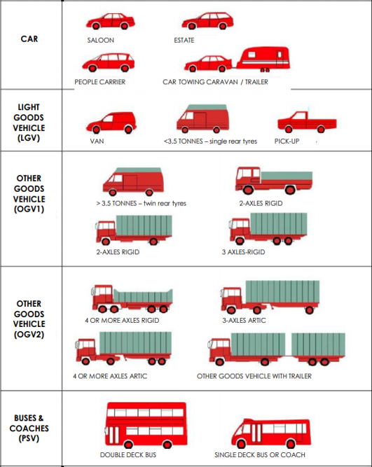
SP3 Axle Width | SP4 Axle Width | SP5 Axle Width |  | Time [-- | Time Range
 |  |  | MC/Pedalcyclist | Total | Total number of Vehicles
 |  |  |  | Vmin Speed | Minimum Recorded Speed
 |  |  | Car | Vmax Speed | Maximum Recorded Speed
 |  |  |  | Mean Average Speed | Average Recorded Speeds
 |  |  |  | Vpp 85% Speed | 85 % Percentile Speed
0.50 - 1.30 |  |  |  | Cls 1 Car | Total number of Vehicles
 |  |  | LGV | Cls 2 LGV | Total number of Vehicles
 |  |  |  | Cls 3 OGV1 | Total number of Vehicles
 |  |  |  | Cls 4 OGV2 | Total number of Vehicles
 |  |  | OGV1 | Cls 5 PSV | Total number of Vehicles
1.00 - 1.90 |  |  |  | ]PSL 80 | Number of vehicles in excess of Speed Limit
1.00 - 2.50 |  |  |  | Average Speed Car | Average Speed for Cars
 |  |  |  | Average Speed LGV | Average Speed for LGV
 |  |  |  | Average Speed OGV1 | Average Speed for OGV1
2.50 - 12.00 |  |  |  | Average Speed OGV2 | Average Speed for OGV2
0.50 - 2.50 |  |  |  | Average Speed PSV | Average Speed for PSV
1.05 - 2.50
1.05 - 1.30
2.00 - 15.00 |  |  | OGV2
2.00 - 15.00
2.00 - 12.00 | 1.00 - 1.90
1.90 - 12.00 | 2.50 - 12.00
2.00 - 15.00 | 1.00 - 2.50
2.00 - 15.00 | 1.00 - 2.50
0.70 - 1.80 | 0.70 - 1.80
1.90 - 12.00 | 2.00 - 12.00 | 1.00 - 1.90
2.00 - 15.00 | 1.00 - 1.90 | 1.00 - 1.90
 |  |  | PSV
...

